Sheet1
SUM OF SALARY | FIXED TERM | PERMANENT | TEMPORARY | GRAND TOTAL
ACCOUNTING | 4 | 12.2 | 2.6 | 18.8
BUSINESS DEVELOPMENT | 4 | 13 | 1.7 | 18.7
ENGINEERING | 2.4 | 4.5 | 3.3 | 10.2
HUMAN RESOURCES | 4 | 4.7 | 1.7 | 10.4
MARKETING | 1 | 7.3 | 1 | 9.3
GRAND TOTAL | 15.4 | 41.7 | 10.3 | 64.4

 |  |  |  | Sum of FTE |  | Column Labels
 |  |  |  | Row Labels |  | Accounting Business DevelopmEngineering Human Resources |  |  |  |  |  |  |  | Marketing Grand Total
 |  |  |  | Fixed Term | 4 |  | 4 |  | 2.4 |  | 4 |  | 1 |  | 15.4
 |  |  |  | Permanent | 12.2 |  | 13 |  | 4.5 |  | 4.7 |  | 7.3 |  | 41.7
 |  |  |  | Temporary | 2.6 |  | 1.7 |  | 3.3 |  | 1.7 |  | 1 |  | 10.3
 |  |  |  | Grand Total |  | 18.8 |  | 18.7 |  | 10.2 |  | 10.4 |  | 9.3 |  | 67.4
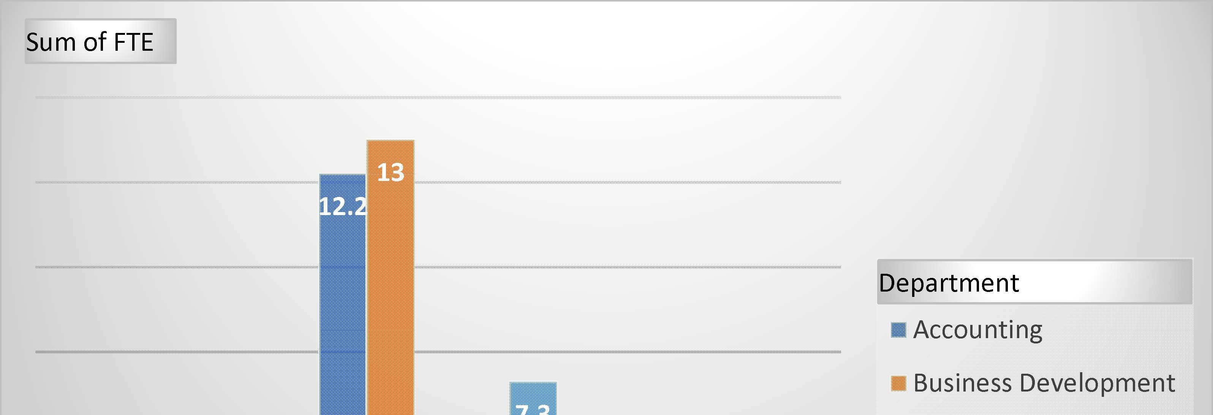
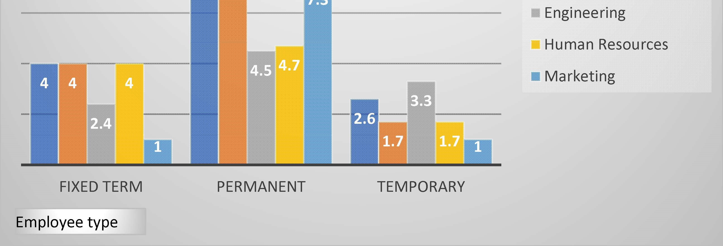
4
12.2
2.6
4
13
1.7
2.4
4.5
3.3
4
4.7
1.7
1
7.3
1
FIXED TERM
PERMANENT
TEMPORARY
Accounting
Business Development
Engineering
Human Resources
Marketing
Department
Employee type
Sum of FTE

